Application Screen
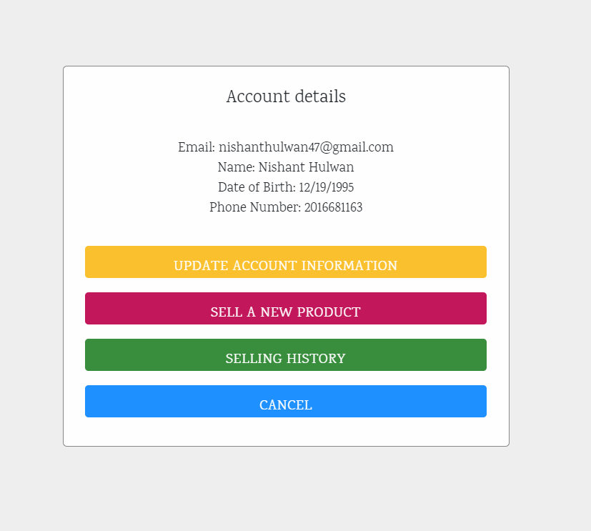
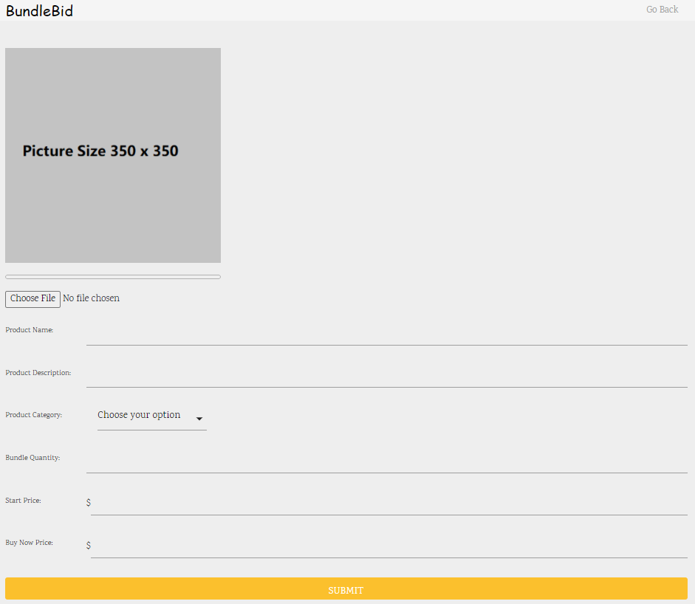
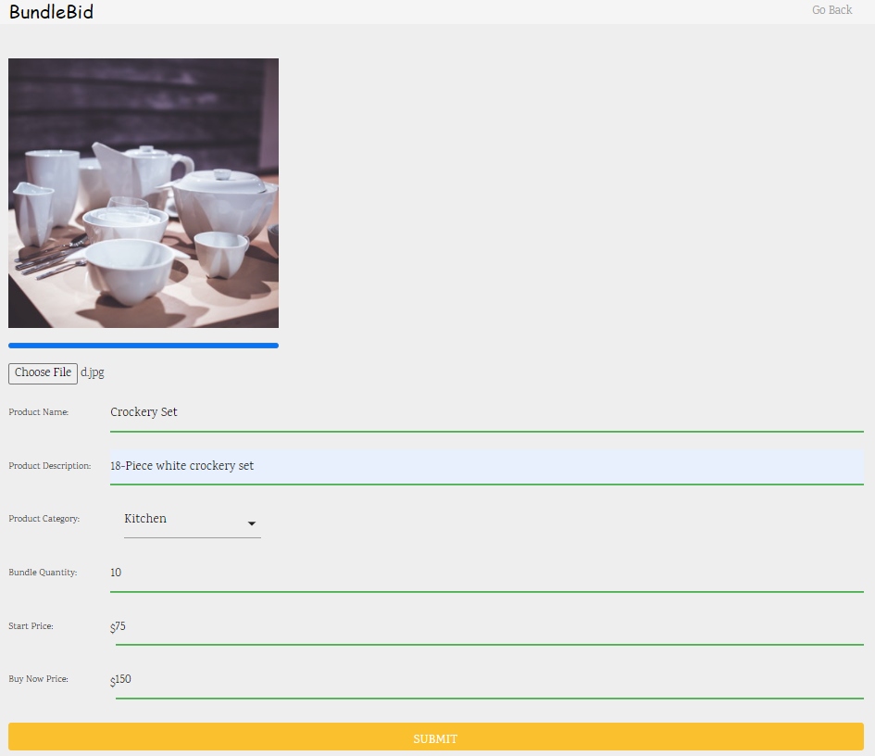

Test Case 10
Data Flow Diagram
TC Title: | TC10. Creating a product - Data Flow Out + Core Functionality

TC Objective: | To test if the product created by user reflects properly at webpage.
01.01 Creating
Product
Registered
Wholesaler
Specifies all product
details
Store details
Display product on
Homepage.
D
Product
TC Description
 | Step | Step Description | Expected Results
 | 1 | Click on the "Account" button present at homepage. | User should be redirected to registration form.
 | 2 | Click on th "Sell a new product" button. | User should be redirected to login form.
 | 3 | On the page click choose file button to upload product image. | User should be able to enter valid and accurate information for all the specified fields.
03.01 Browse
product
 | 4 | Enter email address and password to login to system if you are returning user. | System should be able to enter valid and accurate information for email address and password field.
 | 5 | On the page click choose file button to upload product image. | User should be able to upload product image from their computer.
 | 6 | Enter the name of product you want to create. | User must be able to enter product name having less than or equal to 50 characters.
 | 7 | Enter the description of product | User should be able to enter product description having less than or equal to 150 characters.
 | 8 | Select product category. | System should provide drop down list of all categories and user should be able to select one from the list.
 | 9 | Enter or select bundle quantity from provided range. | User should be able to select/enter accurate bundle quantity consisting of only positive numbers.
 | 10 | Enter or select start price for product from provided range. | User should be able to select/enter accurate starting price consisting of only numeric characters.
 | 11 | Enter or select buy now price for product from provided range. | User should be able to select/enter accurate buy now price consisting of only numeric characters.
 | 12 | Click submit button. | System should generate message "Product is created" and product data is added into the databse.
 | 13 | Click Go Back button. | User should be redirected to homepage.
 | 14 | Click on the selling history button present inside Account tab. | System should display list of products.
 | 15 | Click on the Product ID or Product Name | User should be redirected to webpage where user can view details of the product.

